Food
Module | Thematic Area Food and Agriculture: The answer should be country-level/institution-level impact derived from the cooperation between your institution and the IAEA technical cooperation programme, including the achievements of other stakeholders involved.
 | A | Choose the Field of Activities (FoAs) supported by the TCP
Thematic Area |  | Mutation Breeding
 |  | Agricultural water and soil management |  |  |  |  |  |  |  |  | Development level
 |  | Livestock production |  |  |  |  |  |  |  |  |  | How would you define the level of development of the FoA selected was in your country at the beginning of the century (2000)
 |  | Insect pest control
 |  | Food safety |  |  |  |  |  |  |  |  | Mutation Breeding |  | 1 | 2 | 3 | 4 | 5 | 6 | 7 | 8 | 9
 |  |  |  |  |  |  |  |  |  |  | Agricultural water and soil management |  | 1 | 2 | 3 | 4 | 5 | 6 | 7 | 8 | 9
 | A.1 | Development level |  |  |  |  |  |  |  |  | Livestock production |  | 1 | 2 | 3 | 4 | 5 | 6 | 7 | 8 | 9
FOA | A.1.1 | How would you define the level of development of the FoA selected was in your country at the beginning of the century (2000) |  |  |  |  |  |  |  |  | Insect pest control |  | 1 | 2 | 3 | 4 | 5 | 6 | 7 | 8 | 9
 | 1-9 | (level of developmnet of FoA - preliminary staged (1) to advanced (9) able to act as service provider for your country/region |  |  |  |  |  |  |  |  | Food safety |  | 1 | 2 | 3 | 4 | 5 | 6 | 7 | 8 | 9
 | A.1.2 | How would you define the level of development of the FoA selected is in your country at the moment (2023)
 | 1-9 | (level of developmnet of FoA - preliminary staged (1) to advanced (9) able to act as service provider for your country/region
INSTITUTION | A.1.3 | Is your institution a nuclear and nuclear-derived techniques provider or reciepient in the region/country?
 |  | Recipient/Provider/Both |  |  |  |  |  |  |  |  |  | How would you define the level of development of the FoA selected is in your country at the moment (2023)
 | A.2 | Degree of contribution to the IAEA to the level of development
Thematic area | A.2.1 | Has the TC Programme contributed to achive these capacities? |  |  |  |  |  |  |  |  | Mutation Breeding |  | 1 | 2 | 3 | 4 | 5 | 6 | 7 | 8 | 9
 | 0-100% | Degree of contribution ( from: No contribution( 0%) - to: It would have been not possible without the support from the IAEA ( 100%) ) |  |  |  |  |  |  |  |  | Agricultural water and soil management |  | 1 | 2 | 3 | 4 | 5 | 6 | 7 | 8 | 9
Thematic area | A.2.2 | In your opinion, how has the TC programme made a difference to your institution and the industry? (Multiple responses possible) |  |  |  |  |  |  |  |  | Livestock production |  | 1 | 2 | 3 | 4 | 5 | 6 | 7 | 8 | 9
 |  |  | a) Adoption of plans, policies, programmes or technical standards by national entities |  |  |  |  |  |  |  | Insect pest control |  | 1 | 2 | 3 | 4 | 5 | 6 | 7 | 8 | 9
 |  |  | b) Increased use of a tool, technique, or technology in a sector |  |  |  |  |  |  |  | Food safety |  | 1 | 2 | 3 | 4 | 5 | 6 | 7 | 8 | 9
 |  |  | c) Establishment of a new institution, laboratory, education centre, etc.
 |  |  | d) Production and use of data of knowledge through use of a tool or technique
 |  |  | e) Workforce skill improvement (not directly trained through TC)
 |  |  | f) others |  |  |  |  |  |  |  |  | Is your institution a nuclear and nuclear-derived techniques provider or reciepient in the region/country?
 | A.2.3 | Using one word, how would you express the value added by IAEA’s support in the thematic area of food and agriculture?
 |  |  |  |  |  |  |  |  |  |  |  |  |  | Recipient | Provider | Both
 | B. | Indicators of success for each type of achievement |  |  |  |  |  |  |  |  | EXAMPLES:
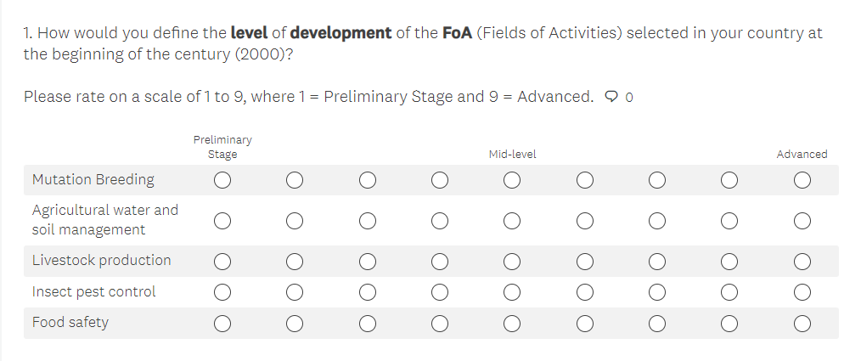
 | B.1 | Increase sustainable crop and improve climate resilience in agriculture
 |  | Approachable access to an irradiator in place for mutation induction in plants? If yes, what type and where? |  |  |  |  |  | Y/N
 |  | ## type of plant tissue that have been irradiated for mutation induction.
 |  | Are you are participating in the IAEA VETLAB and ZODIAC initiatives? |  |  |  |  |  | Y/N
 |  | # of operational labs applying enhanced biotechnology and accelerated mutation
 |  | ## mutant varietes have been released for farmers |  | Crop | Forage | Ornamental plants |  | Fruits Tree | Others
 |  | How many areas hectares are covered by mutant varieties ? |  | Crop | Forage | Ornamental plants |  | Fruits Tree | Others
 |  | What improvements have been verified in the new breeds?
 |  |  |  | 0-5% increased productivity | 05-30% | 30-50% | >50% | Draughts resilience | Pests resilient | Resilient to CC
 |  |  |  | # National new seed Distribution Programmes
 |  | Name of programme and responsible distribution institution (if any)

 |  | Increase sustainable animal production/livestock productivity
 |  | Is your institution employing animal nutrition evaluation technologies and feeding strategies? |  |  |  |  | Y/N
 |  | Is your institution employing animal reproduction, breeding and genetics technologies? |  |  |  |  | Y/N
 |  | Is your institution employing early and confirmatory animal disease diagnostic and control technologies? |  |  |  |  | Y/N
 |  | # National mandated institutes Is your institution participating in the IAEA VETLAB and ZODIAC initiatives? |  |  |  |  | Y/N
 |  | There Is there a reported increase of food security due to the introduction of genetic breeding techniques? |  |  |  |  | Y/N | Link/upload any written evidence /name the report
 |  | There has been an improvement on sustainable crops and livestock productivity (i.e., climate resistance)? |  |  |  |  | Y/N | Link/upload any written evidence /name the report
 |  | ## Number of institutes are Is your institution implementing animal breeding and reproduction strategies? |  |  |  |  | Y/N
 |  | ## Number of institutes are Is your institution disseminating animal breeding and reproduction strategies? |  |  |  |  | Y/N
 |  | Information available regarding more and better quality milk and meat produced? |  |  |  |  | Y/N | Link/upload any written evidence /name the report

 | B.2 | Improve surveillance, detection, and control of major insect pests of Agricultural and Veterinary importance, including emerging or re-emerging zoonotic diseases
 |  | # of centers supported in developing, planning and implementing regional or area-wide strategies for pest control
 |  | # of insectariums establised and operational (fruit flies, mosquitos, etc.)
 |  | # of insect eradication and pest control programmes applied in agriculture and livestock health
 |  | # hectares of crops and livestock production are being protected through the use of SIT
 |  | the volume of food exports increased by ## (the percent increase) from areas where SIT is being used.
 |  |  |  | 0-5% | 05-15% | 15-30% | >30%
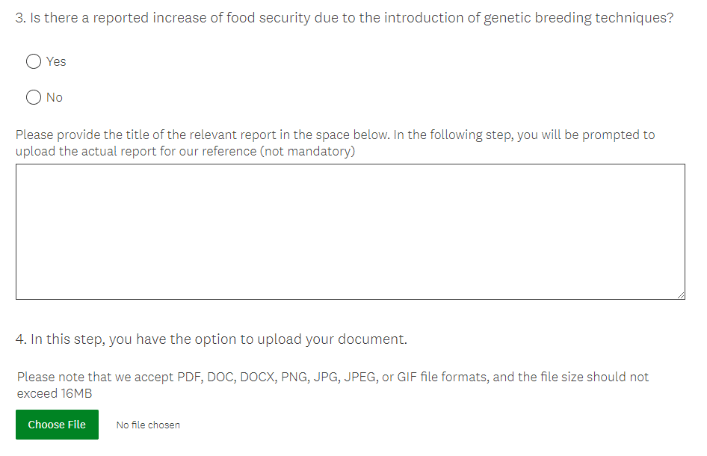
 |  | # ( the percent reduction) reduced in the use of insecticides as a result of introducing the SIT.
 |  |  |  | 0-5% | 05-15% | 15-30% | >30%
 |  | # of pilot projects ongoing/or completed to evaluate the SIT's feasibility to control mosquitoes
 |  | Percent reduction mosquito population and number of cases of mosquito-borne diseases due to mosquito control applying SIT? |  |  | 05-15% | 15-30% | >30%
 |  |  |  | 0-5%
 |  | A surveillance system in place for timely detection of invasive regulated insect pests and vectors.
 |  | Are Contingency Plans readily available to effectively respond to an outbreak of an invasive regulated insect pest and vectors?

 | B.3 | Ensure food safety and quality for protection of consumers and to facilitate international trade.
 | B.3.1 | Improve food authenticity, quality and reduce contaminants and residues in the food supply
 |  | # food authenticity incidents detected using nuclear, stable isotope, and/or complementary techniques.
 |  | # competent food safety laboratories actively involved in routine testing.
 |  | # accredited food safety analytical procedures and laboratories.
 |  | # regulations available promoting control of contaminants and residues in foods
 |  | Are there new regulations? |  | Y/N | Link/upload any written evidence /name the report
 |  | # kind of foodstuff now accessing international markets as a result of improved laboratory testing and establishment of surveillance programmes.
 |  | # (%) estimate of food safety clientele served by laboratories

 | B.3.2 | Food irradiation
 |  | Increased volume of irradiated products traded
 |  | 0-25% | 25-50% | 50-75% | >75%
 |  | Purpose of food irradiation? |  | internal markets | exports | others
 |  | Reduced post-harvest losses in food production thanks to irradiation
 |  | 0-5% | 05-15% | 15-30% | >30%
 |  | ## regulations in effect promoting food irradiation |  | Y/N | Link/upload any written evidence /name the report
 |  | Are there new regulations?

 | B.5 | Agricultural soil, water and crop nutrition management
 |  | ## (%) increase in crop production as a result of improved water use efficiency
 |  | ## (%) increase in crop production as a result of improved nutrient use efficiency
 |  | ## (square meters) acreage of the area where soil conservation measures were applied
 |  | ## (%) the soil erosion was reduced due to implementing soi conservation

